Oklahoma Highlights
2025 Fortune 500 - Oklahoma Locations
Each year the Fortune 500* ranks U.S. headquartered companies that are publicly traded and/or reporting financial statements. Below are highlights from the 2025 release (data primarily as of 12/31/2024).
The full list of 500 is on the second tab of this report. The third & fourth tabs are Newcomers & Returnees and companies who fell below 500 or dropped out this year. Industries, sectors and known Oklahoma locations can be filtered and sorted on tabs two, three and four.

Oklahoma Headquartered Companies on Fortune 500
Three Oklahoma headquartered companies made the Fortune 500 in 2025, all in the Energy Sector.
ONEOK, moved up 32 spots this year ranking #200. They are headquartered in Tulsa and employ approximately 2,700 statewide.
Devon Energy moved up four spots ranking #267. Headquartered in Oklahoma City, they employ approximately 1,200 statewide.
Tulsa-based Williams fell 33 spots this year ranking #404. They employ approximately 1,300 statewide.

U.S. Top 5 Performing Industry Sectors & Oklahoma Ties
#1 Technology is the U.S. best performing industry this year with profits of $535.6 B.
Top U.S. Performers: Alphabet, Apple, Microsoft, Nvidia and Meta. Oklahoma has multiple technology call centers statewide such as Capital One (OCE), a top employer with a call center in Tulsa and Hartford Insurance in Oklahoma City.
#2 Financials (2024 U.S. profits = $459.1 B)
Top U.S. Performers: Berkshire Hathaway, JPMorgan Chase, Bank of America and Wells Fargo. Oklahoma banks such as MidFirst, BancFirst and American Fidelity are top employers. Berkshire Hathaway has multiple locations in Oklahoma including FlightSafety in Broken Arrow. BancFirst consistently ranks as Oklahoma's largest state-chartered bank, earning top spots on Forbes' "Best-In-State Banks" list.
#3 Energy (2024 U.S. profits = $178.2 B)
Energy, both Traditional and Renewables, continues to be the #1 industry in Oklahoma by employment. Oklahoma's energy companies continue to pivot in this evolving industry with new and innovative products and services. Oklahoma is a leader in research and development in the Oil & Gas Industry. Companies include the 3 Fortune headquartered companies (ONEOK, Devon and Williams), Continental Resources, NGL Energy Partners and the newly formed Expand Energy (formerly Chesapeake) and their vast supplier network.
#4 Health Care (2024 U.S. profits = $139.0 B)
Top U.S. Performers: Merck, United Health, Johnson & Johnson and Abbott. In Oklahoma, bioscience companies such as ARL BioPharma, Cytovance, IMMY and Wheeler Bio are experiencing significant growth in research & development. The OKC Metro has become a hub of bioscience research and development.
#5 Retailing (2024 U.S. profits = $134.1 B)
Top U.S. Performers: Amazon, Walmart & Home Depot. Oklahoma's prime central location in the U.S. and business friendly policies are a strategic advantage for companies such as privately-owned Hobby Lobby headquartered in Oklahoma City. In addition, Dollar Tree, Dollar General, Amazon and Walmart have distribution and customer centers statewide servicing multiple states.

U.S. Fortune 500 Growth Trends
Largest 1-Year Profit % Growth by Industry Sector (2023 to 2024)
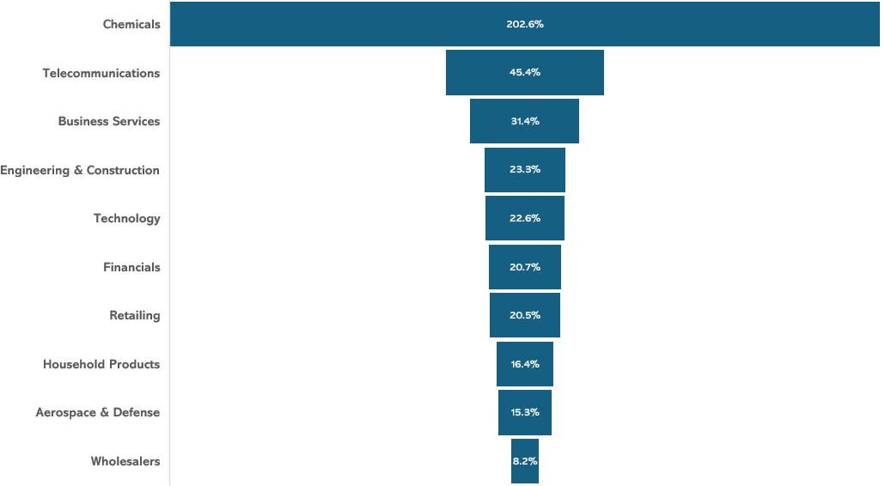

Oklahoma has locations in all of the growing sectors listed above with significant growth in Chemicals, Business Services, Technology, Financials, Retailing and Aerospace & Defense.
-As the state’s second largest and fastest-growing industry, Aerospace & Defense boasts a thriving ecosystem and supply chain with over 1,100 entities including manufacturers, MRO providers such as American Airlines, research and development institutions, and military installations. A highly skilled workforce, unrivaled incentives and many of the world’s aerospace giants like Boeing and Lufthansa Technik are keeping this industry soaring in Oklahoma. Tinker Air Force Base in Oklahoma City is Oklahoma's largest single site employer, with over 25,000 personnel delivering airpower for America.
-Google has expanded significantly in Oklahoma and Paycom and Cerebras Systems have significant technology or data center investments statewide.
-Chemical companies such as Tate & Lyle in Okmulgee and Ceradyne/ 3M in Quapaw continue to expand their presence in Oklahoma.
-Global retailer and Oklahoma top employer Hobby Lobby Stores is headquartered in Oklahoma City. Amazon is a top employer expanding its retail sales and distribution network statewide employing about 10,000.

*Sources and Methodology: Fortune.com
Companies are ranked by total revenues for their respective fiscal years. Included in the survey are companies that are incorporated and operate in the U.S. and file financial statements with a government agency. This includes private companies and cooperatives that file a 10-K or a comparable financial statement with a government agency, and mutual insurance companies that file with state regulators. Excluded are private companies not filing with a government agency, companies incorporated outside the U.S., U.S. companies consolidated by other companies that file with a government agency and companies that failed to report full financial statements for at least three-quarters.
Oklahoma company locations verified with best available data from internal data sources and company websites. If a company location is not listed in this report, please contact the Research Division at the Oklahoma Department of Commerce.
For more detail on Oklahoma's growing companies, see Research & Data Reports at https://www.okcommerce.gov/doing-business/data-reports/reports/.
Contact: Oklahoma Department of Commerce Research Division - 1.800.879.6552 or okcommerce.gov/data

