Highlights & Sources
2016 Publicly Announced New and Expanding Oklahoma Companies
Highlights
In 2016, there were 66 announcements made statewide, totaling over $2.2 billion in new investment. 14 companies were new to Oklahoma. Over 5,200 jobs are expected to eventually be created from this year's announcements.

Google's $1.2 billion expansion in Pryor was the largest investment of the year. Progrexion's decision to hire 500, plus 400 over 5 years, is the largest expansion in employment of the year.

Company and industry detail can be found on the second tab of this worksheet.

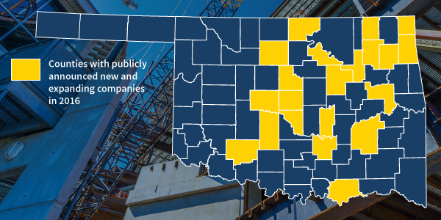

Notes: Only companies making public announcements of expansions are included in this report. Retail-only companies, bank branch offices and hospitals are not included in this report. The Oklahoma Department of Commerce does not release individual company investment amounts.
Many expanding companies in this report participate in the Oklahoma Quality Jobs Program administered by the Oklahoma Department of Commerce. Information on Quality Jobs can be found at:
http://okcommerce.gov/business/incentives/quality-jobs-program/

Sources: Information in this report is collected from a variety of sources including internal Department of Commerce reports, statewide and nationwide newspapers, and company websites.
Quarterly and annual on-line versions of this report available at:
http://okcommerce.gov/data/employers/
Contact Scott Mauldin: scott.mauldin@okcommerce.gov

